Main Product Page
Products
Air Compresseor piping system
Air Compressors
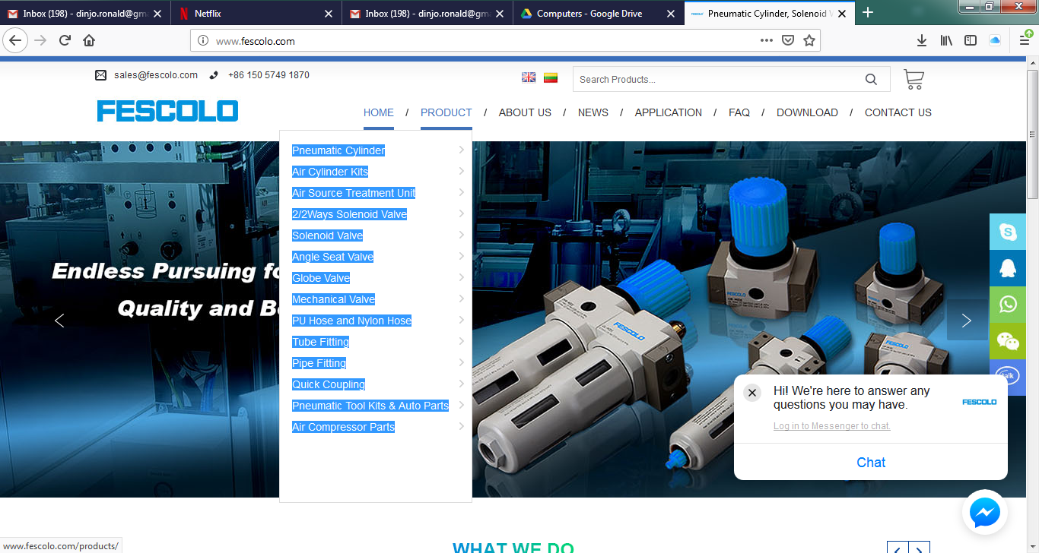
Air Treatment
Automotive Equipment
Batteries
Fitings
Jack Hammers
Masterlock Safety Series
Pneumatic
Pressure Switches
Valves

 | Air Cylinder Kits
 | CA Rear Male Clevis Mount for ISO6431 Standard Cylinder
 | LB Foot Mount Bracket for ISO6431 Standard Cylinder
 | FA/FB Type Flange for ISO6431 Standard Cylinder
 | Y Series Joint Clevis for ISO6431 Standard Cylinder
 | I Series Joint for ISO6431 Standard Cylinder
 | Mounting Brackets for SC,SU Standard Cylinder
 | Assembly Pneumatic Cylinder Kits
 | Magnetic Switch & Magnetic Sensor
 | CB Rear Female Clevis Mount for ISO6431 Standard Cylinder
 | SDB Type Bracket for ISO6431 Standard Cylinder
 | TC Type Bracket for ISO6431 Standard Cylinder
 | B Series Joint Bearing for ISO6431 Standard Cylinder
 | FK Series Floating Joint for ISO6431 Standard Cylinder
 | Mounting Brackets for DSN, MA, MAL Mini Cylinder
 | Aluminum Cylinder Tube & Stainless Steel Cylinder Tube
 | Air Source Treatment Unit
 | OU Series FR.L Combination
 | OR Series Air Regulator
 | OL Series Air Lubricator
 | AC Series FR.L Combination
 | AR Series Air Regulator
 | AL Series Air Lubricator
 | AFC1500, AFC2000, BFC2000, BFC3000, BFC4000 Series FR.L Combination
 | AF1500, AF2000, BF2000, BF3000, BF4000 Series Air Filter
 | AL1500, AL2000, BL2000, BL3000, BL4000 Series Air Lubricator
 | SAD402-X Series End Auto Drainer
 | SAG40, SAG50 Series Pressure Gauge
 | OFR Series Air Filter & Regulator
 | OF Series Air Filter
 | AC Series F.R.L Combination
 | AW Series Air Filter & Regulator
 | AF Series Air Filter
 | AC1500, AC2000, BC2000, BC3000, BC4000Series F.R.L Combination
 | AFR1500, AFR2000, BFR2000, BFR3000, BFR4000Series Air Filter Regulator
 | AR1500, AR2000, BR2000, BR3000, BR4000 Series Air Regulator
 | SAD402-S Series End Auto Drainer
 | AD-5 Series End Auto Drainer
 | AD Series Auto-drainer for Air Filter
 | 2/2Ways Solenoid Valve
 | 2W (UD) Series Direct Acting Solenoid Valve (Small Orifice)
 | 2L (US) Series Pilot Operated Steam Solenoid Valve
 | 2V Series Direct Acting / Pilot Operated Solenoid Valve
 | PU220 Series Direct Acting Solenoid Valve
 | VX 2120 Series Direct Acting Solenoid Valve
 | VXF Series Pulse Solenoid Valve
 | SLG22/SLG23 Series Solenoid Valve
 | 2W (UW) Series Direct Acting Solenoid Valve (Big Orifice)
 | 2S Series Direct Acting Stainless Steel Solenoid Valve
 | 2Q Series Air Control 2/2ways Valve
 | PU225 Series Pilot Operated Solenoid Valve
 | VX 31/32/33 Series 2positions/3ways Direct Acting Solenoid Valve
 | SLG5404 Series High Pressure and High Temperature Solenoid Valve
 | Solenoid Valve
 | 3V Series 2positions/3ways Solenoid Valve
 | 3A Series 2positions/3ways Air Valve
 | 5V Series 2positions/3ways or 2positions/5ways Solenoid Valve
 | 3V1 Series Solenoid Valve
 | 5VMP Series Solenoid Valve
 | Manifold for Solenoid Valve and Air Control Valve
 | 4V Series 2positions/5ways or 3positions/5ways Solenoid Valve
 | 4A Series 2positions/5ways Air Control Valve
 | 5V3120,5V3220,5V5120,5V5220 Series Solenoid Valve
 | 2V025 Series Solenoid Valve
 | 4M (NAMUR)Series 2positions/5ways Board Solenoid Valve
 | Angle Seat Valve
 | PV100 Series Female Thread Ends Angle Seat Valve
 | PV300 Series Welding Ends Angle Seat Valve
 | PV500 Series Tri-clamp Ends Angle Seat Valve
 | PV700 Series Polished Actuator Angle Seat Valve
 | PV1527 Series Full Stainless Steel Angle Seat Valve
 | PVN Series Female Ends Angle Seat Valve (Namur Actuator)
 | PVE Series Angle Seat Valve (Controlled by Solenoid Valve)
 | PVM Series Angle Seat Valve (Manual Override for Stroke Limiting)
 | PV200 Series (Male thread + Socket Welded) Angle Seat Valve
 | PV400 Series Flange Ends Angle Seat Valve
 | PV600 Series Gunmetal Body Angle Seat Valve
 | PV800 Series Air Control Angle Seat Valve
 | NAMUR-Adapter for Pilot Valve
 | PVT Series Electronic-pneumatic Valve Positioner & Intelligent Valve Positioner
 | PVS Series Angle Seat Valve (Proximity Switch for Position Feedback)
 | Globe Valve
 | GV100 Series PA Actuator Globe Control Valve
 | GV300 Series Air Control Right Angle Globe Valve
 | MV100 Series Y Type Manual Angle Seat Valve
 | GV200 Series Polished Actuator Globe Control Valve
 | GV400 Series 2/2ways Piston Controlled Flat-seat Valve (Big Port)
 | MV200 Series T Type Manual Right Globe Control Valve
 | Mechanical Valve
 | 4H Series Hand Operated Valve
 | 4R Series Hand-draw Valve
 | CV Series Brass Check Valve
 | ST Series Shuttle Valve
 | RE Series Flow Control Valve
 | QE Series Quick Exhaust Valve
 | MOV Series Push Button Valve
 | MSV Series Push Button Valve
 | HV Series Hand Valve
 | FV Series Foot Valve
 | 4F Series Foot Valve
 | KA Series Check Valve
 | HSV Series Hand Slide Valve
 | ASC Series Flow Rate Controller
 | KLA Series Flow Control Valve
 | XQ Series Quick Exhaust Valve
 | JM Series Push Button Valve
 | 4HV Series Hand Valve
 | K34R6 Series Hand Valve
 | Ball Valve
 | PU Hose and Nylon Hose
 | PU Hose
 | Nylon Coil Hose
 | Hose Cutter
 | PU Spiral Hose
 | PE Hose
 | Tube Fitting
 | Pneumatic Push in Tube Fitting
 | Throttle Valve and Hand Valve
 | Pneumatic Silencer (Air Muffler)
 | Compact One Touch Tube Fitting
 | All Metal Push in Fitting
 | Stainless Steel Push in Tube Fitting
 | Pipe Fitting
 | Brass Fitting and Adapter
 | Ferrule Compression Tube Fitting
 | Copper Pipe Fitting for Cooling and Air-Condition System
 | Carbon Steel Fitting
 | Rapid Fitting for Plastic Hose (Brass Nickel Plated)
 | Check Valve (Non-Return Valve)
 | Stainless Steel Parts
 | Quick Coupling
 | New Milton Style Air Quick Coupler
 | Milton Style Air Hose Fitting (Plug)
 | Universal Style Air Quick Coupler (Auto-lock)
 | ARO Style Air Hose Fitting (Plug)
 | Europe Style Air Quick Coupler
 | Orion Style Air Quick Coupler
 | Japanese Style Air Quick Coupler
 | Multiple-branch Manifold
 | Milton Style Air Quick Coupler
 | New Universal Style Air Quick Coupler (Auto-lock)
 | Tru-Flate Style Air Hose Fitting (Plug)
 | German Style Air Quick Coupler
 | Europe Style Air Hose Fitting (Plug)
 | British Style Air Hose Fitting (Plug)
 | Japanese Style Air Hose Fitting (Plug)
 | Pneumatic Tool Kits & Auto Parts
 | Tire Pressure Gauge
 | Pressure Gauge
 | Air Duster Gun
 | Tire Inflator (Air Pump for Car)
 | Air Compressor Parts

